Sql
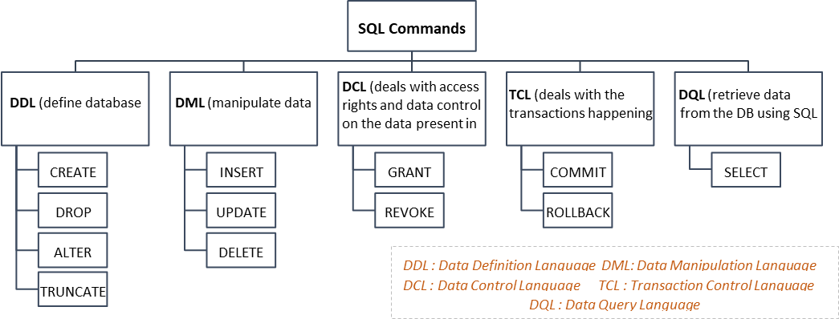
Topic | Command | Notes | Things to remember
Create database | create database | A SQL database is a collection of tables that stores a specific set of structured data
Create table | create table | create table Table Name ( column_name dtype key customernumber int not null unique check (customernumber>0), l ) dtype are varchar,int etc
Insert values into table | insert into | insert into tableName values (100,'Fang Ying','Sham','418999','sdadasfdfd',default),
Display record from table | Select | select * from tableName # we use * for all columns if u need specify name then define accordinly
Add new column to table | alter table | alter table TableName add columnNamwd dtype
Add values to newly added column/ Update table | update,set | update TableName set ColumnName=vale where columntoMatch
Delete a column | drop | alter table tableName drop column colName
Delete record from table --if not put ‘where’, will delete all record | delete | delete from TableName where condition
Delete table | drop | drop table tableName
Like (search something) | like | select * from customer where customerlastname like '_r%' | -- (underscore sign) _ is only specific for one character only -- (percent sign) % represents zero, one, or multiple characters
In (search something) | in | select * from customer where customerlastname in ('Brown', ‘Michael’, ’Jim’) | -- search multiple items
> (search something) | > | select * from customer where customerlastname > 'Brown' or customerlastname>'Cross'
<> (Not Equal) | <> | select * from customer where customerlastname <> 'Brown'
IS NULL | IS NULL | select * from customer where customerlastname IS NULL | -- check null values
IS NOT NULL | Not NULL | select * from customer where customerlastname IS NOT NULL
between | between | select * from sale where saleunitprice between 5 and 10 --not include 5 & 10
count | count | select count(*) as [Number of Records] from customer where customerfirstname like 'B%' | -- returns the number of rows in a table -- AS means aliasing, temporary giving name to a column/ table
sum | sum | select sale.employeeid ,EmployeeFirstName, EmployeeLastName , count(*) as [Number of order] , sum(salequantity) as [Total Quantity] from sale,employee where sale.employeeid = employee.employeeid group by sale.employeeid ,EmployeeFirstName, EmployeeLastName
count month | month | select month(saledate) as [Month], count ( * ) as [Number of sale], sum(salequantity*saleunitprice) as [Total Amount] from sale group by month(saledate)
max | max | SELECT MAX(Salary) FROM EmployeeSalary
min | min | SELECT MIN(Salary) FROM EmployeeSalary
average | avg | SELECT AVG(Salary) FROM EmployeeSalary
Change data type temporary for use | Cast/Convert | -- CAST(expression AS datatype(length)) SELECT CAST('2017-08-25 00:00:00.000' AS date) -- CONVERT(data_type(length), expression, style) SELECT CONVERT(date,'2017-08-25 00:00:00.000')
Group by | Group by | SELECT column_name(s) FROM table_name WHERE condition GROUP BY column_name(s) ORDER BY column_name(s); | Reduces the number of rows returned by rolling up rows and calculating averages or sums for each row. GROUP BY is often used with aggregate functions like SUM or AVG.
Having | Having | SELECT JobTitle, AVG(Salary) FROM EmployeeDemographics ED JOIN EmployeeSalary ES ON ED.EmployeeID = ES.EmployeeID GROUP BY JobTitle HAVING AVG(Salary) > 45000 ORDER BY AVG(Salary) | The HAVING clause can be used with aggregate functions such as Count, Sum, AVG, MAX, and MIN. It's used because the WHERE clause can't be used with SQL aggregate functions
Case | Case End | SELECT FirstName, LastName, Age, CASE WHEN Age > 30 THEN 'Old' WHEN Age BETWEEN 27 AND 30 THEN 'Young' ELSE 'Baby' END FROM EmployeeDemographics ED WHERE Age IS NOT NULL ORDER BY Age | use to filter it and tagging based on particular condition status
Partition By --returns a single value for each row | Partition by | SELECT FirstName, LastName, Gender, Salary, COUNT(Gender) OVER (PARTITION BY Gender) AS TotalGender FROM EmployeeDemographics ED JOIN EmployeeSalary ES ON ED.EmployeeID = ES.EmployeeID | Divides the rows of a result set into partitions. PARTITION BY keeps original values while also allowing aggregated values to be produced. PARTITION BY is useful when separate calculations need to be performed within each group and the result set needs to be analyzed in more detail.
String Functions | -- Remove space | Select EmployeeID, TRIM(EmployeeID) AS IDTRIM FROM EmployeeErrors #it will remove all the spaces for a particular column Select EmployeeID, RTRIM(EmployeeID) as IDRTRIM FROM EmployeeErrors #it will remove spaces on right side for a particular column Select EmployeeID, LTRIM(EmployeeID) as IDLTRIM FROM EmployeeErrors #it will remove spaces at left side for a particular column
 | -- Replace | Select LastName, REPLACE(LastName, '- Fired', '') as LastNameFixed FROM EmployeeErrors
 | -- Substring | Select Substring(err.FirstName,1,3), Substring(dem.FirstName,1,3), Substring(err.LastName,1,3), Substring(dem.LastName,1,3) FROM EmployeeErrors err
 | -- UPPER and LOWER CASE | Select firstname, LOWER(firstname) from EmployeeErrors Select Firstname, UPPER(FirstName) from EmployeeErrors"

Joins In Sql

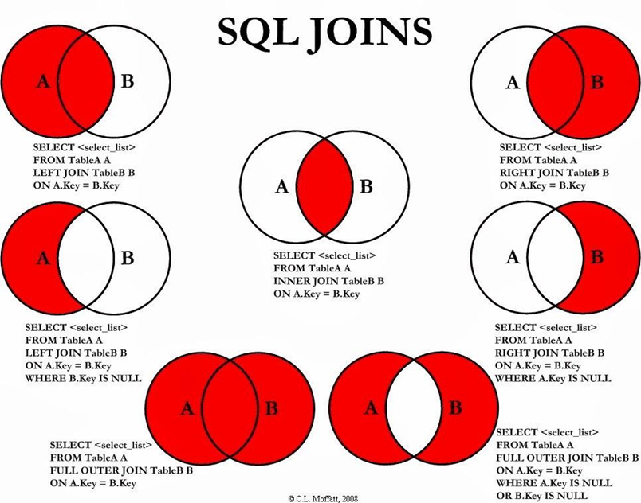

Topic | Command | Notes | Things to remember
getting data from multiple tables | inner join | --inner join select * from inventory inner join sale on sale.inventoryid=inventory.inventoryid
 | full outer join | --full outer join (shows everything)
 |  | select sale.inventoryid,inventoryname from inventory full outer join sale on sale.inventoryid=inventory.inventoryid where sale.inventoryid is NULL inventory sales
 | left join | --left join (might have NULL value, since some inventory might not have sales)
 |  | select inventory.inventoryid,inventoryname from inventory left join sale on sale.inventoryid=inventory.inventoryid
 |  | --left join without null
 |  | select inventory.inventoryid,inventoryname from inventory left join sale on sale.inventoryid=inventory.inventoryid where sale.inventoryid is NULL
 | right join | --right join
 |  | select sale.inventoryid,inventoryname from inventory right join sale on sale.inventoryid=inventory.inventoryid
Self Join --commonly used in processing hierarchy | we can use inner/outer/full based on required condition | select E.employeeID, E.employeefirstname+' '+E.employeelastname as [Full Name], E.managerID, , M.employeefirstname+' '+M.employeelastname as [Manager Name] from staff E inner join staff M on E.managerID = M.employeeID | A self join in SQL is a type of join query that compares rows within the same table. It joins a table to itself

Unions
The UNION operator is used to combine the result-set of two or more SELECT statements. Every SELECT statement within UNION must have the same number of columns The columns must also have similar data types The columns in every SELECT statement must also be in the same order

Topic | Command | Notes | Things to remember
Union | Union | select cust_lname,cust_fname from customer union select cust_lname,cust_fname from customer_2 | --allow you to combine two tables together (but the no. of columns & each column’s data types for 2 tables must be match) --don't need common key, only need common attributes --merge, not showing duplicate record
Union all | Union all | select cust_lname,cust_fname from customer union all select cust_lname,cust_fname from customer_2 | --merge, but show you everything, even the duplicate record
Intersect | Intersect | select cust_lname,cust_fname from customer intersect select cust_lname,cust_fname from customer_2 | --keep only the rows in common to both query --not showing duplicate record
Except | except | select cust_lname,cust_fname from customer except select cust_lname,cust_fname from customer_2 | --generate only the records that are unique to the CUSTOMER table

Multi-Query

Sub Quey |  | SELECT EmployeeID, Salary, (SELECT AVG(Salary) FROM EmployeeSalary) AS AllAvgSalary FROM EmployeeSalary | when we write a query within the query then its called subsquery
CTE (Common Table Expression) | Sometimes subquery can be bit complicated to understand hence we use CTE its like a temp query it start with WITH Name AS( | With CTE_Employee As( SELECT FirstName, LastName, Gender, Salary, COUNT(Gender) OVER (PARTITION BY Gender) AS TotalGender FROM EmployeeDemographics ED JOIN EmployeeSalary ES ON ED.EmployeeID = ES.EmployeeID WHERE Salary > '45000' ) SELECT FirstName, LastName, Gender, TotalGender FROM CTE_Employee WHERE TotalGender = (SELECT MIN(TotalGender) FROM CTE_Employee) | --create temporary result set which is used to manipulate the complex sub-queries data --created in memory rather than Tempdb database, so cannot create any index on CTE.
Temp table (temp will NOT be updated when update base) | DROP TABLE IF EXISTS #temp_Employee | DROP TABLE IF EXISTS #temp_Employee Create table #temp_Employee ( JobTitle varchar(100), EmployeesPerJob int, AvgAge int, AvgSalary int ) Insert INTO #temp_Employee SELECT JobTitle, Count(JobTitle), Avg(Age), AVG(salary) FROM EmployeeDemographics emp JOIN EmployeeSalary sal ON emp.EmployeeID = sal.EmployeeID group by JobTitle SELECT * FROM #temp_Employee | --a single hashtag (#) sign must be added in front of their names --used to store data temporarily, physically created in the Tempdb database --can perform CRUD, join, and some other operations like the persistent database tables

Joins | Vs | Unions
Joins combine data into new columns |  | Unions combine data into new rows.
Joins combine data horizontally. |  | Unions combine data from similar tables or datasets vertically
Joins combine two tables by using specific criteria. |  | Unions are useful for data that has the same structure but is split across multiple files or tables.
The order and number of columns must be the same in all tables for joins |  | For unions, the order and number of columns do not need to be the same in all tables.

